General Fund
 | GENERAL FUND |  |  |  |  | Net Taxable Values | M&O Rate Needed | Effective M&O | I&S Rate | Total Tax Rate | Effective Change
General Fund Revenues |  |  |  |  |  | $97,521,464 | $0.230627 | $0.23146 | 0.335860 | $0.56732 | $6,840
 | Budget 2020-2021 | Actual 5/31/2021 | Estimated 9/30/2021 | Proposed 2021-2022 | 21-22 % Change

Property Tax Revenue (M&O) | $213,652 | $220,692 | $228,698 | $212,180 | -1% | Transfer To Balance | M&O Revenue Cap | M&O Rollback - M&O Effective | Effective M&O | Collection % Anticipated | Actual Anticipated
Sales Tax Revenue | $440,000 | $343,002 | $514,503 | $580,000 | 32% | $(26,973) | $245,130 | $19,407 | $225,723 | 94% | $212,180
Mixed Beverage | $8,000 | $6,080 | $8,000 | $8,000 | 0%
Lease/License | $- | $- | $- | $1,800 | -
Franchise Fees | $73,000 | $45,764 | $68,646 | $73,000 | 0% | Sales Tax Calculator | Levy
Transfers In | $355,790 | $100,000 | $164,901 | $278,505 | -22% | Total Revenue | $662,857 |  | Levy Estimated | $
R.V. Park Rental | $5,000 | $11,950 | $18,000 | $5,000 | 0% |  |  |  | Avg Household Value | $75,000
Pavillion | $100 | $150 | $150 | $100 | 0% | City General Levy | $580,000 |  | Levy | $425.49
Rural Fire Calls | $5,000 | $5,000 | $7,500 | $5,000 | 0% | EDC | $82,857 |  | Per Diem | $1.17
General Fund Revenues
Property Tax (M&O) | $212,180
General Sales Tax | $580,000
Franchise Fees | $73,000
Permits | $14,500 | $15,774 | $17,845 | $14,500 | 0%
Cemetery Lots | $1,000 | $1,025 | $1,025 | $2,000 | 100%
Library Rental | $200 | $200 | $200 | $200 | 0%
Donations and Memorials | $- | $- | $- | $- | - | Property Tax (M&O) | $212,180
Book Fines | $200 | $157 | $200 | $200 | 0% | General Sales Tax | $580,000 | #REF! |  |  |  | $57,266,554.09008
Copies & Faxes | $800 | $326 | $600 | $600 | -25% | Franchise Fees | $73,000 | #REF!
Municipal Court Fines | $15,000 | $12,983 | $19,475 | $18,750 | 25% | Municipal Court | $28,729 | #REF!
Municipal Court Other | $20,040 | $6,169 | $9,254 | $9,220 | -54%
Miscellaneous | $4,000 | $185 | $350 | $4,000 | 0%
Fire Department Billing Collection | $5,000 | $- | $- | $5,000 | 0%

Total General Fund Revenue | $1,161,282 | $769,457 | $1,059,347 | $1,218,055 | 5% |  |  |  |  |  |  | 0 | 0.0199
 |  |  |  |  |  |  |  |  |  |  |  |  | 0.25136

GENERAL FUND EXPENSES

Administration

Salaries | $160,000 | $109,025 | $160,000 | $164,800 | 3%
Longevity Pay | $1,220 | $1,318 | $1,318 | $1,400 | 15%
Social Security/Medicare Taxes | $12,500 | $8,026 | $12,039 | $12,500 | 0%
SUTA | $1,200 | $511 | $767 | $950 | -21% | Fund | Expenditures
Health, Dental, Life Insurance | $20,730 | $13,820 | $20,730 | $21,352 | 3% | ADMINISTRATION | $348,902
Worker's Comp | $4,500 | $2,543 | $3,815 | $4,000 | -11% | STREETS AND PARKS | $409,613
Retirement Expense | $2,100 | $1,626 | $2,439 | $2,600 | 24% | POLICE | $253,950
Travel & Training | $2,000 | $- | $- | $2,000 | 0% | FIRE | $54,607
Memberships & Subscriptions | $5,000 | $2,049 | $3,074 | $4,500 | -10% | LIBRARY | $69,950
Legal Fees | $18,000 | $10,079 | $15,119 | $20,000 | 11% | COURT | $53,060
Audit & Accounting fees | $17,500 | $17,030 | $17,030 | $17,500 | 0%
Election Expense | $8,500 | $10,965 | $10,965 | $11,000 | 29%
General Fund Adopted Expenditures
Pest Control | $400 | $195 | $293 | $400 | 0%
Computer Support | $16,000 | $13,042 | $19,563 | $20,000 | 25%
Tax Appraisal District Fees | $8,000 | $2,794 | $4,191 | $8,000 | 0%
Tax Office Fees | $2,100 | $1,515 | $2,273 | $1,700 | -19%
Printing & Office Supplies | $12,000 | $6,504 | $9,756 | $10,000 | -17%
Postage,Frieght& Delivery | $1,000 | $576 | $864 | $1,000 | 0%
Advertising | $2,500 | $2,667 | $4,001 | $3,500 | 40%
Telephone | $12,000 | $5,462 | $8,193 | $8,800 | -27%
Electricity | $10,000 | $4,373 | $6,560 | $8,500 | -15%
Fuel, Oil, & Gas | $600 | $367 | $551 | $600 | 0%
Food & Ice | $800 | $298 | $447 | $800 | 0%
Supplies | $5,000 | $1,764 | $2,646 | $5,000 | 0%
Repair & Maintenance | $2,000 | $1,845 | $2,768 | $5,000 | 150%
Insurance | $1,000 | $736 | $1,104 | $1,200 | 20%
Refunds- Pavilion | $150 | $25 | $150 | $300 | 100%
Inspector Fees | $7,000 | $9,398 | $12,500 | $10,000 | 43%
Miscellaneous | $1,500 | $567 | $1,500 | $1,500 | 0%

Total Expenses | $335,300 | $229,120 | $324,651 | $348,902 | 4%

Street and Parks

Salaries | $152,337 | $104,382 | $156,573 | $158,000 | 4%
Longevity Pay | $3,450 | $3,388 | $3,388 | $3,450 | 0%
Social Security/Medicare Taxes | $12,000 | $8,245 | $12,368 | $12,500 | 4%
SUTA | $1,100 | $576 | $864 | $950 | -14%
Health, Dental, Life Insurance | $33,168 | $22,112 | $33,168 | $34,163 | 3%
Workers Comp | $6,000 | $3,576 | $5,364 | $6,000 | 0%
Retirement Expense | $3,000 | $1,806 | $2,709 | $3,000 | 0%
Uniforms | $4,000 | $622 | $933 | $4,000 | 0%
Travel & Training | $1,200 |  | $- | $1,200 | 0%
Pest Control | $1,000 | $700 | $1,050 | $1,100 | 10%
Engineering Fees | $5,000 | $- | $- | $5,000 | 0%
Animal Control | $2,500 | $- | $- | $2,500 | 0%
Printing & Office Supplies | $100 | $- | $- | $100 | 0%
Telephone | $800 | $792 | $1,188 | $1,500 | 88%
Electricity | $65,000 | $40,870 | $61,305 | $65,000 | 0%
Elec. - Baseball Field | $7,000 | $4,154 | $6,231 | $7,000 | 0%
Elec. - RV Park | $5,000 | $2,453 | $3,680 | $4,500 | -10%
Memorial | $700 | $198 | $297 | $650 | -7%
Contract Labor | $12,300 | $9,200 | $13,800 | $22,500 | 83%
Fuel & Oil & Gas | $7,000 | $4,296 | $6,444 | $7,000 | 0%
Supplies | $15,000 | $7,658 | $11,487 | $15,000 | 0%
Supplies - Parks | $500 | $- | $- | $500 | 0%
Repair and Maintenance - Parks | $10,000 | $954 | $1,431 | $10,000 | 0%
Repair and Maintenance - Streets | $15,000 | $1,303 | $1,955 | $15,000 | 0%
Insurance | $3,200 | $2,645 | $3,968 | $4,000 | 25%
Vehicle Purchase | $25,000 | $- | $- | $25,000 | 0%

Total Expenses | $391,355 | $219,930 | $328,201 | $409,613 | 5%

Fire

Physicals | $200 | $71 | $71 | $213 | 7%
Workers Comp | $800 | $397 | $596 | $800 | 0%
Retirement Expense | $13,000 | $6,696 | $13,392 | $13,400 | 3%
Travel & Training | $5,000 | $- | $- | $5,000 | 0%
Memberships & Subscriptions | $200 |  | $- | $200 | 0%
Audit & Accounting Fees | $600 | $- | $600 | $600 | 0%
Fire Chief | $1,200 | $800 | $1,200 | $1,200 | 0%
Pest Control | $350 | $195 | $293 | $350 | 0%
Computer Support | $- | $- | $- | $- | -
Fuel & Oil & Gas | $1,200 | $1,370 | $1,370 | $1,200 | 0%
Supplies | $2,000 | $5,558 | $5,588 | $2,000 | 0%
Repair and Maintenance | $9,500 | $7,818 | $7,818 | $9,500 | 0%
Pump/Air Tank Maintenance | $- | $- | $- | $- | -
Insurance | $900 | $687 | $900 | $1,900 | 111%
Equipment | $- | $- | $- | $- | -
Vehicle Note | $28,121 | $28,121 | $28,121 | $18,244 | -35%

Total Expenses | $63,071 | $51,642 | $59,948 | $54,607 | -13%

Police

Law Enforcement Contract Services | $252,950 | $168,245 | $252,950 | $252,950 | 0%
Board Prisoners | $- | $805 | $1,000 | $1,000 | -

Total Expenses | $252,950 | $168,245 | $253,950 | $253,950 | 0%

Cemetery

Supplies | $200 | $- | $- | $200 | 0%
Repair and Maintenance | $300 | $- | $- | $300 | 0%
Equipment | $500 | $- | $- | $500 | 0%

Total Expenses | $1,000 | $- | $- | $1,000 | 0%

Library

Salaries | $21,000 | $19,277 | $28,916 | $30,000 | 43%
Social Security/Medicare Taxes | $2,100 | $1,475 | $2,213 | $2,300 | 10%
SUTA | $550 | $298 | $447 | $500 | -9%
Workers Comp | $300 | $119 | $179 | $250 | -17%
Travel & Training | $500 | $115 | $500 | $2,000 | 300%
Membership & Subscriptions | $1,000 | $374 | $561 | $1,000 | 0%
Pest Control | $500 | $195 | $450 | $500 | 0%
Printing & Office Supplies | $450 | $927 | $1,391 | $1,200 | 167%
Postage, Freight, & Delivery | $100 | $- | $- | $100 | 0%
Advertising | $500 | $- | $- | $500 | 0%
Telephone | $1,800 | $1,000 | $1,500 | $1,600 | -11%
Electricity | $6,000 | $3,809 | $5,714 | $6,000 | 0%
Supplies | $2,000 | $350 | $525 | $2,000 | 0%
Repair and Maintenence | $10,000 | $5,359 | $10,000 | $10,000 | 0%
Technology Support | $4,500 | $3,268 | $4,500 | $4,500 | 0%
Insurance | $1,400 | $1,224 | $1,500 | $1,500 | 7%
Library Books | $5,000 | $2,072 | $3,108 | $5,000 | 0%
Equipment | $1,000 | $- | $- | $1,000 | 0%

Total Expenses | $58,700 | $39,862 | $61,502 | $69,950 | 19%

Municipal Court

Salaries | $23,000 | $15,612 | $23,000 | $23,800 | 3%
Longevity Pay | $32 | $34 | $34 | $40 | -
Social Security/Medicare Taxes | $1,800 | $1,197 | $1,796 | $1,800 | 0%
SUTA | $280 | $144 | $216 | $250 | -11%
Health, Dental, Life Insurance | $4,146 | $2,764 | $4,146 | $4,270 | 3%
Travel & Training | $1,500 | $200 | $300 | $1,500 | 0%
Memberships & Subscriptions | $- | $- | $- | $250 | -
Legal Fees | $10,000 | $3,829 | $5,744 | $10,000 | 0%
State Court Cost | $5,500 | $2,814 | $4,221 | $5,500 | 0%
Printing & Office Supplies | $1,200 | $403 | $605 | $1,000 | -17%
Postage, Freight & Delivery | $450 | $227 | $341 | $450 | 0%
Supplies | $500 | $- | $- | $500 | 0%
Repair and Maintenance | $500 | $- | $- | $500 | 0%
Software Maintenance | $2,300 | $2,045 | $2,045 | $2,300 | 0%
Refunds | $700 | $- | $- | $700 | 0%
Juror Fee | $200 | $- | $- | $200 | 0%

Total Expenses | $52,108 | $29,269 | $42,446 | $53,060 | 2%

GENERAL FUND

TOTAL REVENUES | $1,161,282 | $769,457 | $1,059,347 | $1,218,055 | 5%

EXPENDITURES PER FUND

ADMINISTRATION | $335,300 | $229,120 | $324,651 | $348,902 | 4%
STREETS AND PARKS | $366,355 | $219,930 | $328,201 | $409,613 | 12%
FIRE | $62,871 | $51,642 | $59,948 | $54,607 | -13%
POLICE | $252,950 | $168,245 | $253,950 | $253,950 | 0%
CEMETERY | $1,000 | $- | $- | $1,000 | 0%
LIBRARY | $58,700 | $39,862 | $61,502 | $69,950 | 19%
COURT | $52,108 | $29,269 | $42,446 | $53,060 | 2%

TOTAL EXPENDITURES | $1,129,284 | $738,068 | $1,070,698 | $1,191,082 | 5%

REVENUE OVER (UNDER) | $31,998 | $31,389 | $(11,351) | $26,973 | -16%

NET FUND BALANCE | $52,331 | $174,895 | $147,898 | $210,658 | 303%

GF Performance Measures | 2018-2019 | 2020-2021 | 2021-2022
Limit Enterprise to General Transfers to under 20% of total Enterprise Budget | 26% | 26% | 22%
Budget a Fund Balance of 20% of General Fund Expenditures | 2% | 7% | 18%

Enterprise.Proprietary
ENTERPRISE FUND

Water | Budget 2020-2021 | Actual 5/31/2021 | Estimated 9/30/2021 | Proposed 2021-2022 | 21-22 % Change

Revenues
Enterprise Revenues
Water Sales | $420,000 | $266,181 | $415,356 | $424,000 | 1%
Connect and Reconnect Fees | $1,000 | $750 | $1,125 | $1,000 | 0%
Late Charges | $30,000 | $13,500 | $20,250 | $20,000 | -33%
Water Tap Fee Revenue | $- | $- | $- | $- | 0%
Returned Check Fee Revenue | $200 | $385 | $- | $- | -100%

Total Water Revenues | $453,200 | $280,816 | $436,731 | $445,000 | -2% | Water | $445,000
 |  |  |  |  |  | Sewer | $266,500
 |  |  |  |  |  | Sanitation | $654,000
Expenses

Water
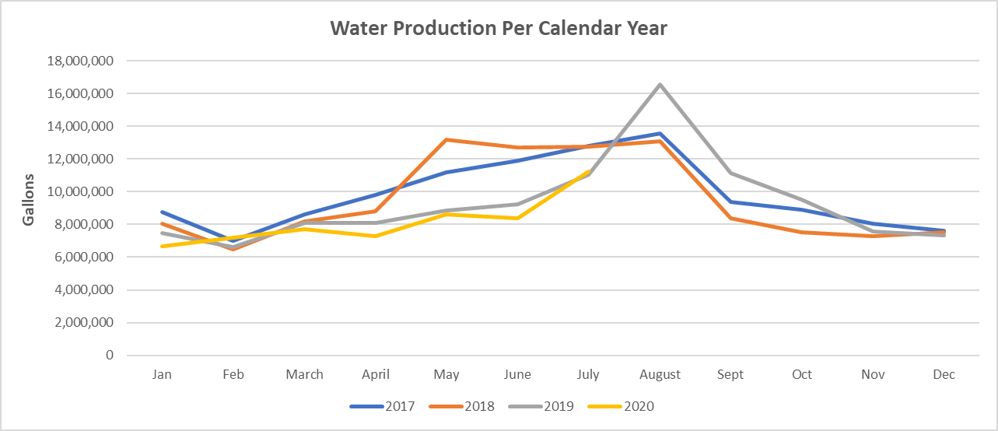
Salaries | $97,850 | $66,928 | $100,392 | $101,000 | 3%
Longevity Pay | $2,100 | $2,082 | $2,082 | $2,150 | 2%
Social Security/Medicare Taxes | $7,500 | $5,095 | $7,643 | $7,700 | 3%
SUTA | $750 | $360 | $540 | $750 | 0%
Health, Dental, Life Insurance | $20,730 | $13,820 | $20,730 | $21,352 | 3%
Workers Comp | $4,200 | $2,134 | $3,201 | $3,800 | -10%
Retirement Expense | $1,500 | $1,160 | $1,740 | $1,800 | 20%
Uniforms | $1,200 | $145 | $218 | $1,200 | 0%
Travel & Training | $1,000 | $375 | $563 | $1,000 | 0%
Memberships & Subscriptions | $500 | $220 | $330 | $500 | 0%
TCEQ Fines | $- | $- | $- | $5,000 | #DIV/0!
Computer Support | $12,000 | $5,144 | $7,716 | $9,500 | -21%
Engineering | $15,000 | $- | $- | $- | -
Printing & Office Supplies | $3,500 | $1,265 | $1,898 | $2,500 | -29%
Postage, Freight, & Delivery | $8,000 | $3,035 | $4,553 | $7,000 | -13%
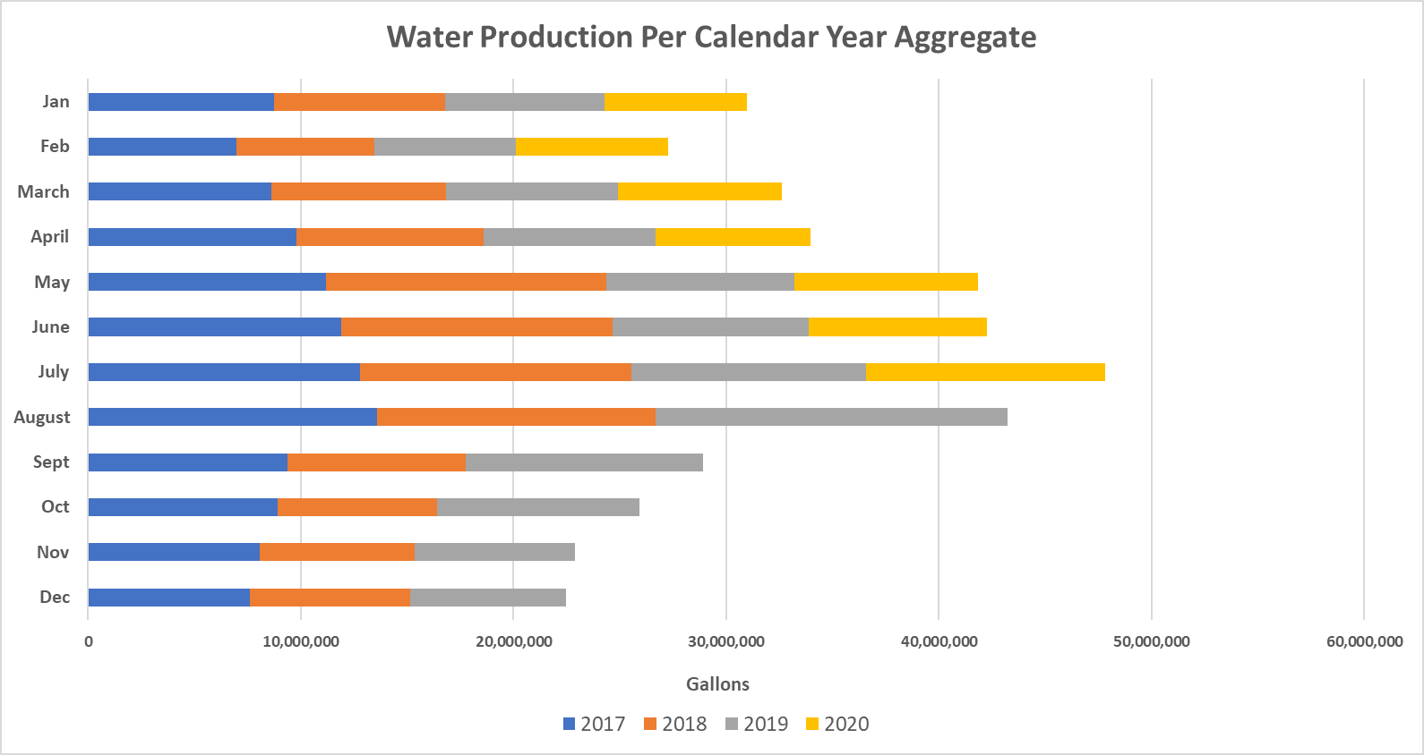
Electricity | $20,000 | $9,914 | $14,871 | $15,000 | -25%
Permits & License Fees | $6,500 | $4,193 | $6,290 | $6,500 | 0%
Inspector Fees | $1,000 | $943 | $1,000 | $1,000 | 0%
Fuel & Oil & Gas | $4,500 | $1,331 | $1,997 | $3,500 | -22%
Chemicals & Chlorine | $5,000 | $1,962 | $2,943 | $5,000 | 0%
Laboratory Fees | $5,000 | $400 | $600 | $1,000 | -80%
Supplies | $20,000 | $21,139 | $28,795 | $25,000 | 25%
Repair and Maintenance | $20,000 | $35,423 | $40,000 | $20,000 | 0%
Insurance | $3,000 | $1,448 | $2,172 | $3,000 | 0%
Maintenance Reserve | $10,000 | $10,000 | $10,000 | $10,000 | 0%
Critical One-Time Items | $10,000 | $10,000 | $10,000 | $10,000 | 0%
Transfer To General Fund | $138,000 | $19,399 | $29,099 | $101,752 | -26%
Transfer to CIP | $- | $- | $- | $24,514 | #DIV/0!
Vehicle Purchase | $25,000 | $- | $- | $20,000 | -20%

Total Expenses | $443,830 | $217,915 | $299,369 | $411,518 | -7%

Revenue over Expenditure | $9,370 | $62,901 | $137,362 | $33,482 | 257%

Sewer

Revenues

Sewer Sales | $266,500 | $169,357 | $254,036 | $266,500 | 0%

Total Sewer Revenues | $266,500 | $169,357 | $254,036 | $266,500 | 0%

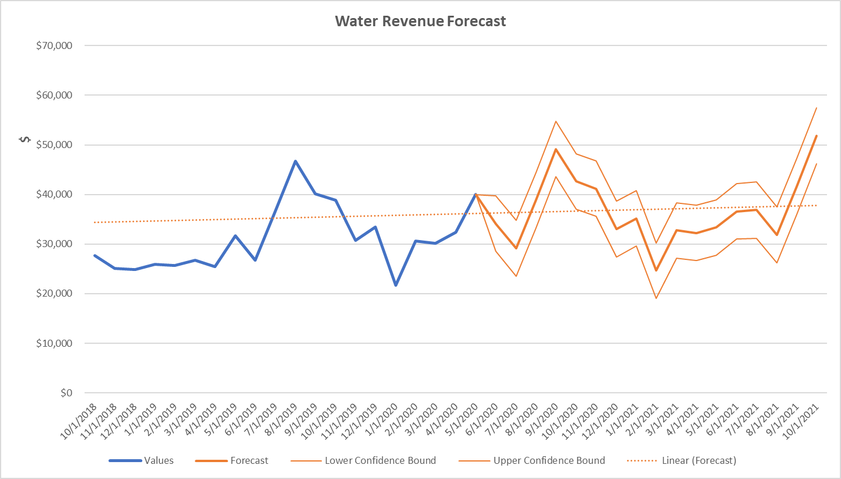
Expenses
Salaries | $54,500 | $37,702 | $56,553 | $57,000 | 5%
Longevity Pay | $250 | $282 | $282 | $290 | 16%
Social Security/Medicare Taxes | $4,200 | $2,730 | $4,095 | $4,200 | 0%
SUTA | $600 | $216 | $324 | $450 | -25%
Health, Dental, Life Insurance | $12,438 | $8,292 | $12,438 | $12,811 | 3%
Workers Comp | $1,500 | $369 | $554 | $1,500 | 0%
Retirement Expense | $950 | $636 | $954 | $1,000 | 5%
Uniforms | $1,000 | $289 | $434 | $1,000 | 0%
Travel and Training | $4,500 | $375 | $563 | $2,000 | -56%
Electricity | $22,000 | $14,035 | $21,053 | $22,000 | 0%
Permits & License Fees | $- |  | $- | $2,000 | -
Fuel & Oil & Gas | $3,500 | $1,446 | $2,169 | $3,500 | 0%
Chemicals & Chlorine | $3,500 | $1,882 | $2,823 | $3,000 | -14%
Laboratory Fees | $7,000 | $4,304 | $6,456 | $7,000 | 0%
Supplies | $6,000 | $8,878 | $13,317 | $6,000 | 0%
Repair and Maintenance | $20,000 | $7,886 | $11,829 | $10,000 | -50%
Insurance | $8,000 | $6,649 | $8,000 | $8,000 | 0%
Maintenance Reserve | $5,000 | $5,000 | $5,000 | $5,000 | 0%
Critical One-Time Items | $3,000 | $3,000 | $3,000 | $3,000 | 0%
Transfer To General Fund | $95,000 | $19,399 | $44,000 | $81,752 | -14%
Transfer to CIP | $- | $- | $- | $32,497 | -

Total Expenses | $246,063 | $123,370 | $193,842 | $264,000 | 7%

Revenue over Expenditures | $20,437.34 | $45,987 | $60,194 | $2,500 | -88%

SANITATION

Revenues

Solid Waste Sales | $667,890 | $425,340 | $638,009 | $654,000 | -2%

Total Solid Waste Revenues | $667,890 | $425,340 | $638,009 | $654,000 | -2%

Expenses
Garbage - Wholesale Service (TDS) | $545,000 | $364,138 | $546,207 | $545,000 | 0%
Transfer to General | $122,790 | $61,202 | $91,802 | $95,000 | -23%

Total Expenses | $652,413 | $425,340 | $638,009 | $640,000 | -2%

Revenue Over Expenditures | $4,587 | $(0) | $0 | $14,000 | 205%

ENTEPRRISE FUND TOTALS

REVENUES | $1,387,590 | $875,513 | $1,328,776 | $1,365,500 | -2%

EXPENDITURE

WATER | $443,830 | $217,915 | $299,369 | $411,518 | -7%
SEWER | $246,063 | $123,370 | $193,842 | $264,000 | 7%
SANITATION | $652,413 | $425,340 | $638,009 | $640,000 | -2%

TOTAL EXPENDITURES | $1,342,305 | $766,625 | $1,131,220 | $1,315,518 | -2%

REVENUES OVER (UNDER) | $45,285 | $108,888 | $197,556 | $49,982 | 10%

TRANSFER TO CIP | $- | $- | $- | $24,788

NET FUND BALANCE | $45,285 | $108,888 | $245,890 | $275,898 | 509%

Interfund Transfers | $
Transfer Total | $278,504

20-21 Projected Transfer | $164,901
20-21 Transfer Needed | $163,776

CIP Transfer | $57,011
Transfer Needed | $1

